AN.000230
dcr
DATE | 2025-07-29 |  |  | WASH:CODE |  | AN-000231
FINISHER:CODE |  |  |  |  |  | DRYPROCESS.AND WET PROCES
MODEL:CODE | 771855
SAP CODE | ANWN89100
FABRIC MILL:CODE | DNM:MARLEY SLLVERGREY
QUANTITY | 2 PCS
ROLL:CODE | ROLL:714445
FAB. WEIGHT
UNITS
TYPE MACHINE
DRYING TIME (Min.) :
COMMENTS:
 | RAW
PAGE | FREE.DEVELOPMENT |  |  | WASH:SUPERVISOR:ATIF HOSSAM
 | E | of | 1 |  |  |  | Supplier | PH Value
ACTION | TIME | TEMP | Liters | AMT | UNITS | Chemicals
WHISKERS
HAND SAND
HYPO/PP SPRAY |  |  |  | 5 | GRM | PERMENGANATE
 |  |  |  | 200 | GRM | HYPO
RINSE X1 |  |  |  | 800 | GRM | WATER

NEUTRALIZATION | 5 | 50 |  |  | GRM | ROYACTIVEX KS
RINSE | 2 | RT

BIOPOLISHING |  | 55 |  |  | GRM | LAVA CELL BNG
 |  |  |  |  | GRM | A.ACID. PH/55
RINSE | 2 | RT
 |  | ON SAME BATH
SOFT |  | RT |  |  | K/G | CATYONIC SOFT
EXTRACT & DRYER
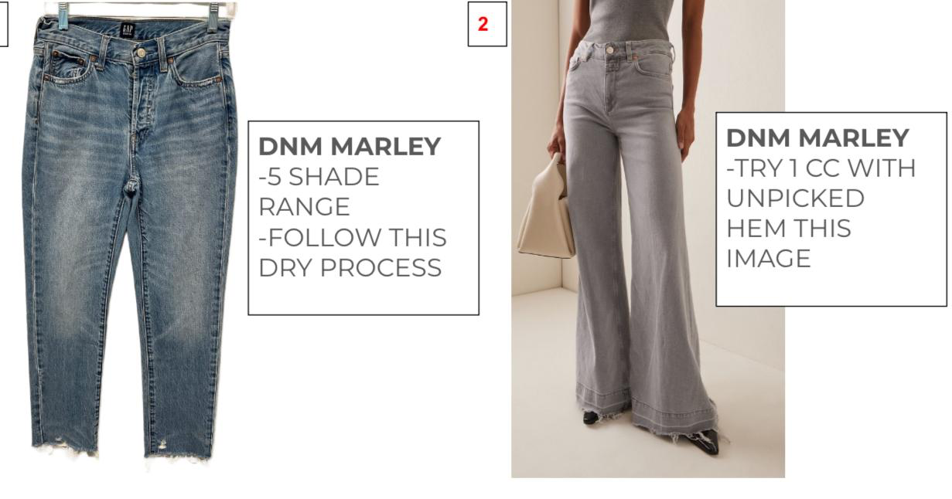
DAMAGE

